Tables and Attributes
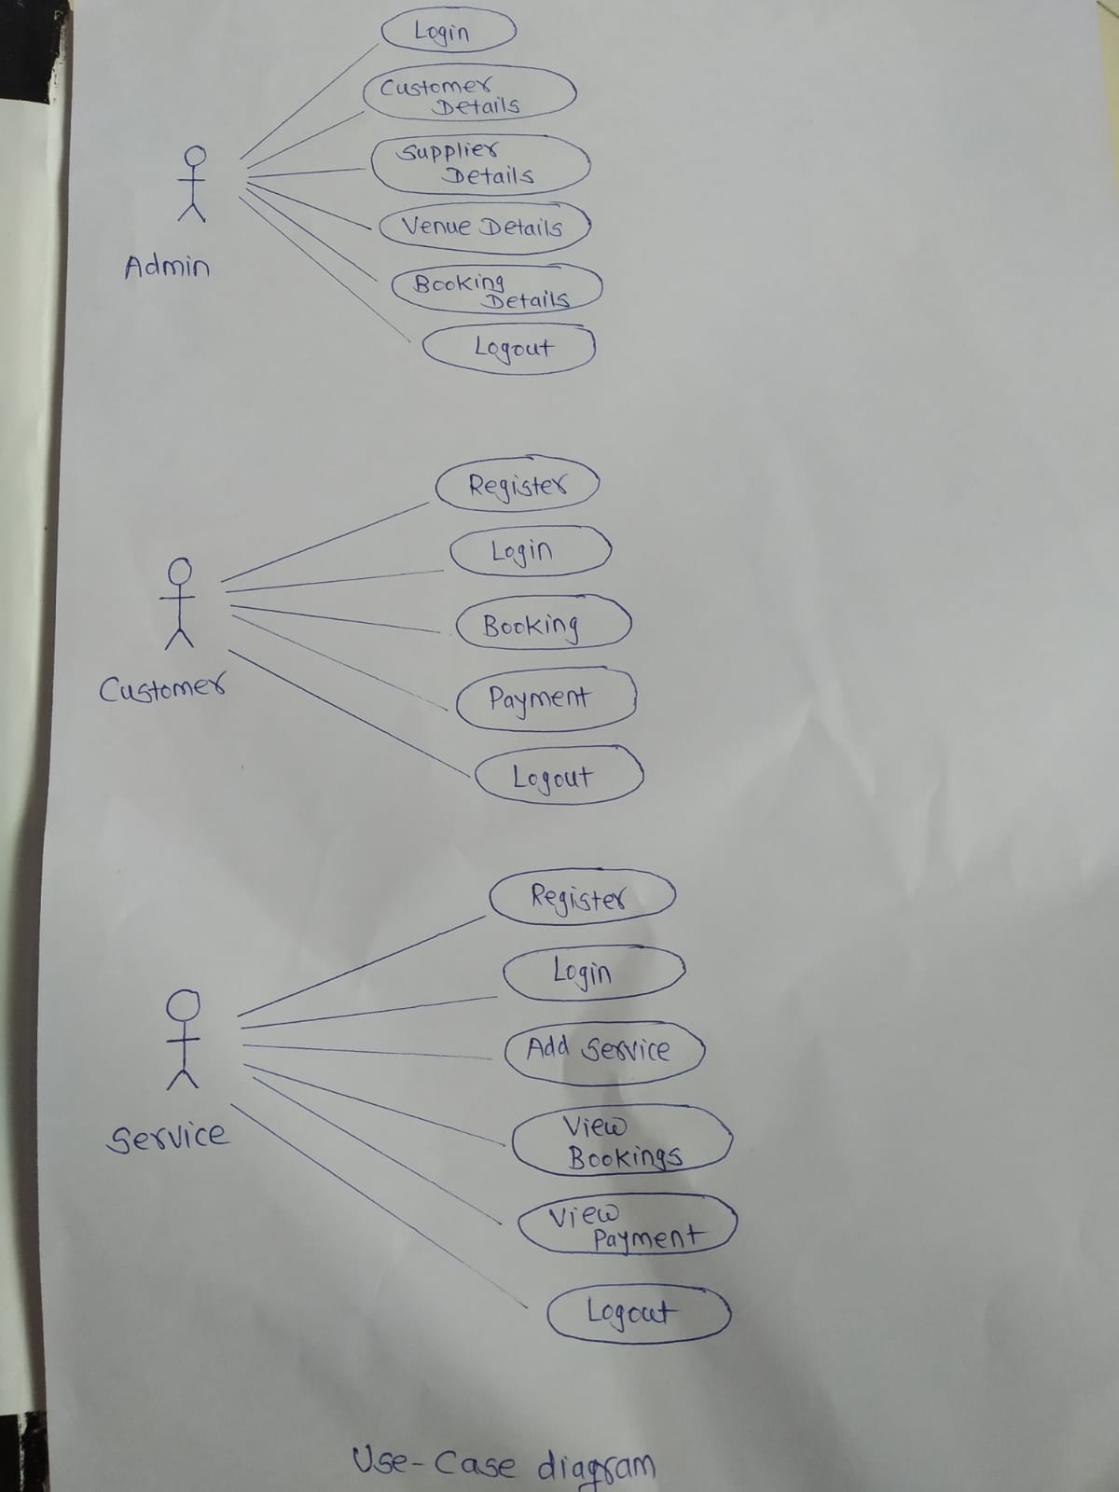
1.Admin |  |  | 2.Customer |  |  | 3.Supplier\service
Field | Type | Key | Field | Type | Key | Field | Type | Key
admin_id | int | PRI | customer_id | int | PRI | supplier_id | int | PRI
email | varchar(30) | UNI | customer_address | varchar(300) |  | email | varchar(30) | UNI
first_name | varchar(30) |  | email | varchar(30) | UNI | first_name | varchar(30)
last_name | varchar(30) |  | first_name | varchar(30) |  | last_name | varchar(30)
password | varchar(30) |  | last_name | varchar(30) |  | password | varchar(30)
phone_no | varchar(30) |  | password | varchar(30) |  | phone_no | varchar(30)
 |  |  | phone_no | varchar(30) |  | supplier_address | varchar(300)
 |  |  | city_id | int | MUL | city_id | int | MUL

4.Cities |  |  | 5.Venues |  |  | 6.Booking
Field | Type | Key | Field | Type | Key | Field | Type | Key
city_id | int | PRI | venue id | int | PRI | Booking_id | int | PRI
city | varchar(30) |  | description | varchar(100) |  | Booking_name | varchar(30)
 |  |  | email | varchar(30) |  | date_of_booking | date
 |  |  | guest_capacity | int |  | total_amount | double
 |  |  | image | varchar(100) |  | customer_id | int | MUL
 |  |  | phone_no | varchar(30)
 |  |  | venue_address | varchar(60)
 |  |  | venue name | varchar(30)
 |  |  | city_id | int | MUL

